Sheet1
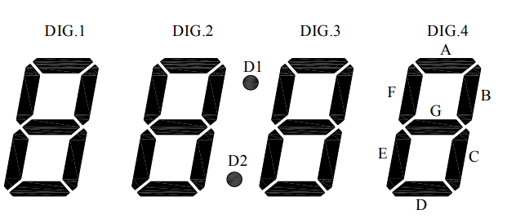
 | OUT0 | OUT1 | OUT2 | OUT3 | OUT4 | OUT5 | OUT6 | OUT7 | OUT8 | OUT9 | OUT10 | OUT11 | OUT12 | OUT13 | OUT14 | OUT15
 | B | G | D | A | C | E | F | DP | D4EN | D3EN | D2EN | D1EN | D8EN | D7EN | D6EN | D5EN

character | A | b | c | d | E | F |  | 1 | 2 | 3 | 4 | 5 | 6 | 7 | 8 | 9 | 0
code | 0xDE | 0x6E | 0x64 | 0xEC | 0x76 | 0x56 |  | 0x88 | 0xF4 | 0xF8 | 0xCA | 0x7A | 0x7E | 0x98 | 0xFE | 0xFA | 0xBE

 | H | i | J | L | n | o | P | r | S | t | u
 | 0xCE | 0x24 | 0xA8 | 0x26 | 0x4C | 0x6C | 0xD6 | 0x44 | 0x7A | 0x66 | 0x2C

flipped bit order
character | A | b | c | d | E | F |  | 1 | 2 | 3 | 4 | 5 | 6 | 7 | 8 | 9 | 0
code | 0x7B | 0x76 | 0x26 | 0x37 | 0x6E | 0x6A |  | 0x11 | 0x2F | 0x1F | 0x53 | 0x5E | 0x7E | 0x19 | 0x7F | 0x5F | 0x7D

 | H | i | J | L | n | o | P | r | S | t | u | space
 | 0x73 | 0x24 | 0x15 | 0x64 | 0x32 | 0x36 | 0x6B | 0x22 | 0x5E | 0x66 | 0x34 | 0x00

 | add one to any character value to engage the decimal point
flipped bit order | add 128 to any character value to engate the decimal point

